Development Plan_2
Gas to the West Development Plan - High Pressure
Part 2

CAPEX Years t-3, t-2 and t-1 | Controllable | Materials | £14,398,000
(£2014) |  | Construction | £49,477,000
 |  | Wayleaves | £16,144,000
 |  | Design / Project Management | £5,000,000
 |  | Site Investigation / C & I / Commissioning | £2,924,000
 |  | Contingency | £4,100,000
 | Uncontrollable |  | £4,609,000
Opening Asset Value
 |  | Capital Expenditure | 96,652,000
 |  | Subvention | -32,500,000
 |  | Mobilisation | 617,520
 |  | Opening RAB | 0
 |  | Capitalised Interest | 617,000
 |  | Closing RAB | 65,386,520
 |  | Other Applicant Costs | 3,726,715
 |  | Pain Gain Mechanism | 0
 |  | Total | 69,113,235

Development Plan_3
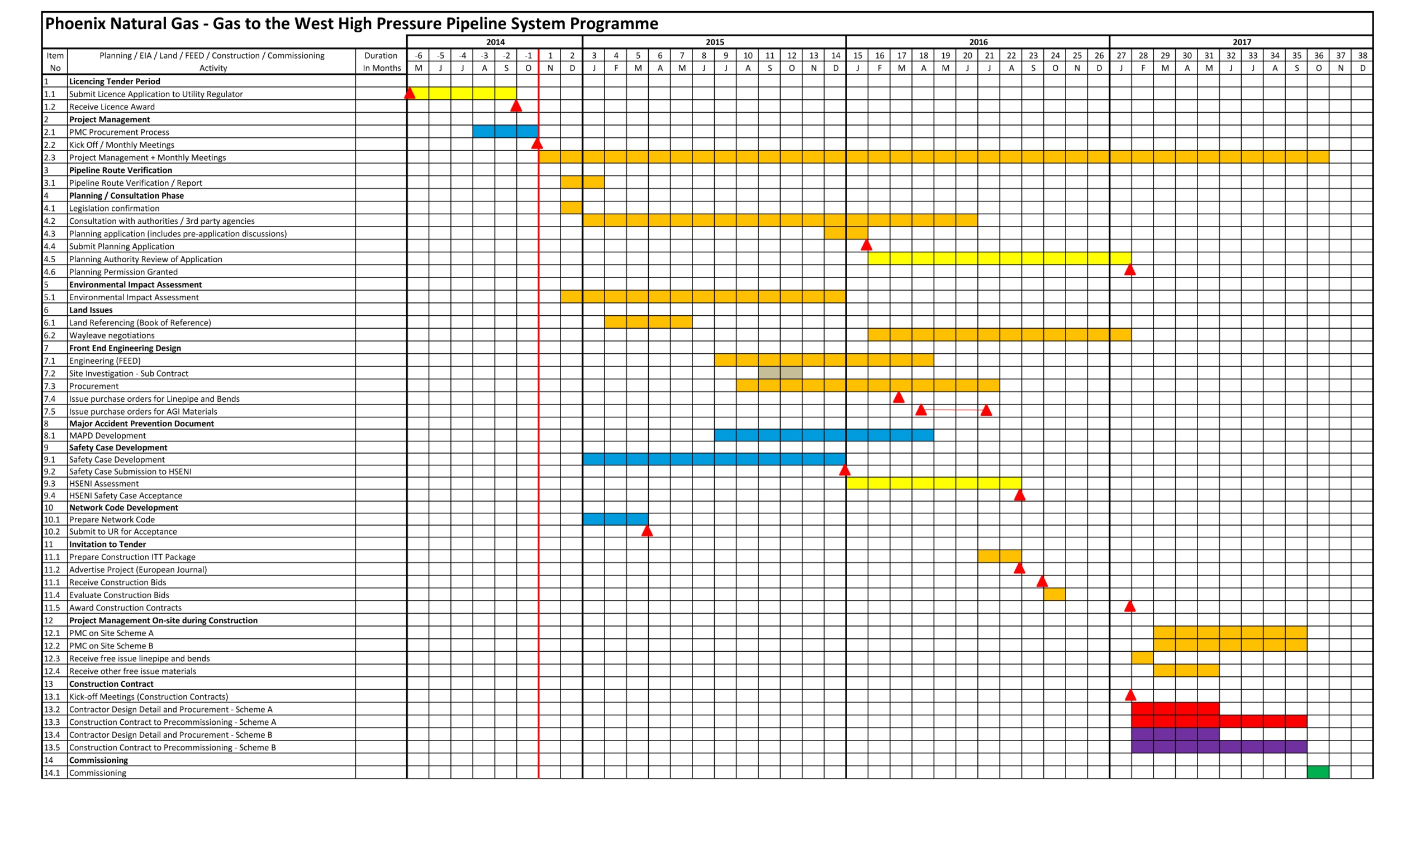
Gas to the West Development Plan - High Pressure
Part 3

Pipelne - Overall Timeline for delivery of High Pressure Pipeline System

